Buglist
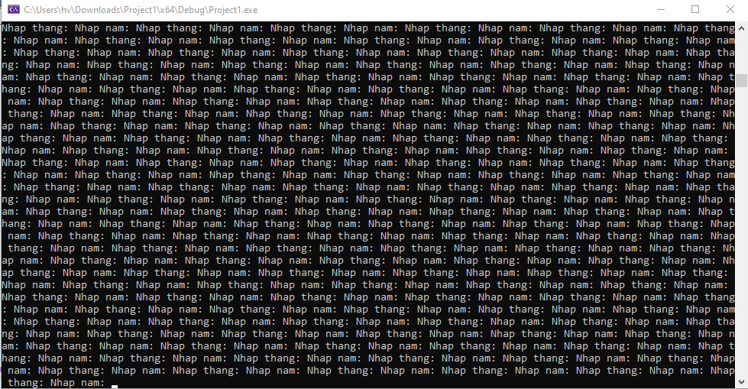
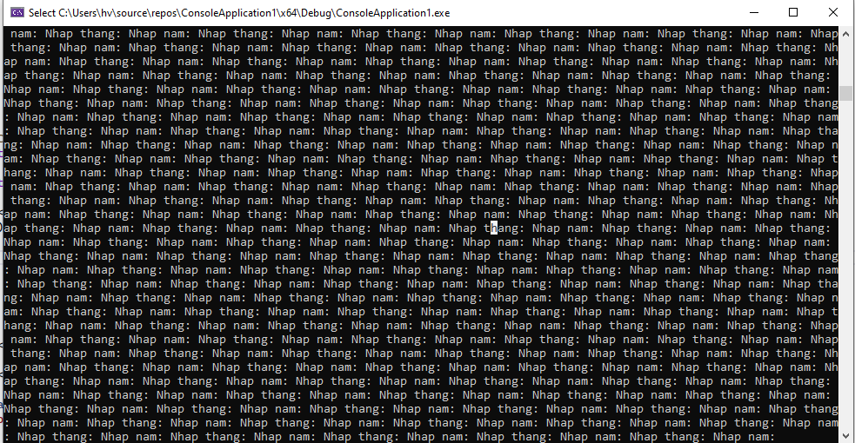
Bug ID | Bug title | Description | snapshot | Serverity | reporter | Status
bug 01 | App loops forever when inputting thang as chars e.g. abc | Report date: SW Build version: SW release 10/16/2022 Test Env: Windows Steps to reproduce: 1. Run the application 2. Input thang as characters e.g. abc Expected Result: the application should shows error Actual Result: app loops forever as the snapshot |  | Normal | Duy | New
bug 02 | App loops forever when inputting thang as max value type of integer + 1 | Report date: SW Build version: SW release 10/16/2022 Test Env: Windows Steps to reproduce: 1. Run the application 2. Input thang as max value type of integer + 1 = 2147483648 Expected Result: the application should shows error Actual Result: app loops forever as the snapshot |  | Normal | QuyenLL | New
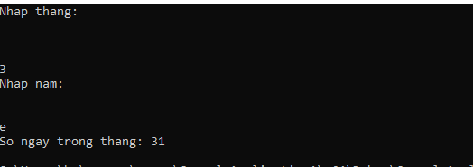
bug 03 | App loops forever when inputting thang as value type is symbol | Report date: SW Build version: SW release 10/16/2022 Test Env: Windows Steps to reproduce: 1. Run the application 2. Input thang as as value type is symbol = £ Expected Result: the application should shows error Actual Result: app loops forever as the snapshot |  | Normal | Hong | New

bug 04 | App result wrong when convert char "e" to number | "Report date: SW Build version: SW release 10/16/2022 Test Env: Windows Steps to reproduce: 1. Run the application 2. Input thang as 3 3. Input nam as "e" 4. Result is 31 Expected Result: the application should shows error Actual Result: app result Wrong |  | Normal | QuyenLL | New
bug 05 | App does not notify when the number of months is greater than 12 | "Report date: SW Build version: SW release 10/16/2022 Test Env: Windows Steps to reproduce: 1. Run the application 2. Input thang as over than 12 = 13 Expected Result: the application should shows error Actual Result: Message error not shown |  | Normal | Duy | New
Bug 06 | App loops forever when inputting thang as value type is non alphabetic characters | Report date: SW Build version: SW release 10/16/2022 Test Env: Windows Steps to reproduce: 1. Run the application 2. Input thang as value type is non alphabetic characters = ١٢ Expected Result: the application should shows error Actual Result: app loops forever as the snapshot |  | Normal | Hong | New
Bug 07 | App loops forever when inputting thang as value type is negative | Report date: SW Build version: SW release 10/16/2022 Test Env: Windows Steps to reproduce: 1. Run the application 2. Input thang as value type is negative = -3.6 Expected Result: the application should shows error Actual Result: app loops forever as the snapshot |  | Normal | Hong | New
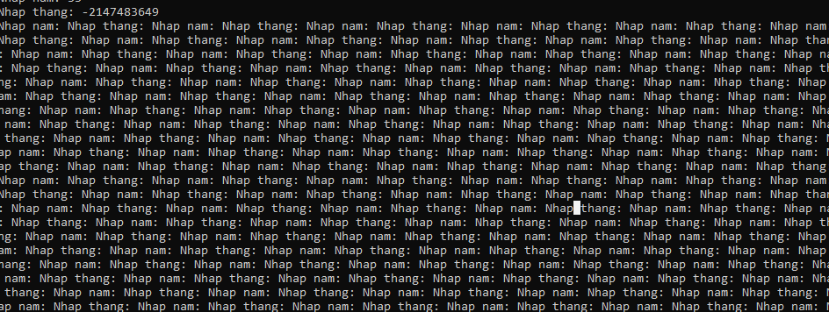
Bug 08 | App loops forever when inputting thang as MIN VALUE type of integer -1 | Report date: SW Build version: SW release 10/16/2022 Test Env: Windows Steps to reproduce: 1. Run the application 2. Input thang as MIN value type of integer - 1 = -2147483649 Expected Result: the application should shows error Actual Result: app loops forever as the snapshot |  | Normal | QuyenLL | New
Bug 09 | App result wrong when input decimal + characters | "Report date: SW Build version: SW release 10/16/2022 Test Env: Windows Steps to reproduce: 1. Run the application 2. Input thang as 3.6-a 3. Input nam as Expected Result: the application should shows error Actual Result: app result Wrong |  | Normal | Quan
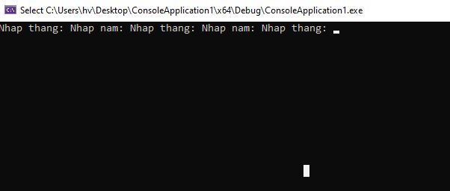
Bug 10 | App result wrong when input number with space | "Report date: SW Build version: SW release 10/16/2022 Test Env: Windows Steps to reproduce: 1. Run the application 2. Input thang as 2 3 3. Input nam as Expected Result: the application should shows error Actual Result: app result Wrong |  | Normal | Quan
Bug 10 | App result wrong when ctrl + C | "Report date: SW Build version: SW release 10/16/2022 Test Env: Windows Steps to reproduce: 1. Run the application 2. Press Ctrl + C Expected Result: the application should shows error Actual Result: Can't input anything else |  | Normal | Quan

Ngoc Trang
Condition ID | Condition name | Precondition | Testcase ID | Testcase Name | Test Steps | Expected result | Actual result | Status | Platform | Bug ID | Tester | Test date | Note
C001 | Check enter month | Input Valid value | C001-TC001 | Value = 1 | 1. Open app 2. At cmd, input Nhap thang = 1 3. Click Enter 4. Nhap nam 2022 5. Enter | Display message "So ngay trong thang: 31" | Display message "So ngay trong thang: 31" | Pass
 |  |  | C001-TC002 | Value = 6 | 1. Open app 2. At cmd, input Nhap thang = 6 3. Click Enter 4. Nhap nam 2022 5. Enter | Display message "So ngay trong thang: 30" | Display message "So ngay trong thang: 30" | Pass
 |  |  | C001-TC003 | Value = 12 | 1. Open app 2. At cmd, input Nhap thang = 12 3. Click Enter 4. Nhap nam 2022 5. Enter | Display message "So ngay trong thang: 31" | Display message "So ngay trong thang: 31" | Pass
 |  |  | C001-TC004 | Value = 2 | 1. Open app 2. At cmd, input Nhap thang = 2 3. Click Enter 4. Nhap nam 2022 5. Enter | Display message "So ngay trong thang: 28" | Display message "So ngay trong thang: 28" | Pass
 |  |  | C001-TC005 | Value = 2 | 1. Open app 2. At cmd, input Nhap thang = 2 3. Click Enter 4. Nhap nam 2024 5. Enter | Display message "So ngay trong thang: 29" | Display message "So ngay trong thang: 29" | Pass
 |  | Input Invalid value | C001-TC006 | Value = abc | 1. Open app 2. At cmd, input Nhap thang = abc 3. Click Enter 4. Nhap nam 2022 5. Enter | Error message: "So thang nhap khong hop le" | Display Nhap thang: Nhap nam : Nhap thang... | Fail |  | 
 |  |  | C001-TC007 | Value = blank | 1. Open app 2. At cmd, input Nhap thang = blank 3. Click Enter 4. Nhap nam 2022 5. Enter | Error message: "So thang nhap khong hop le" | No display | Fail |  | 
 |  |  | C001-TC008 | Value = space | 1. Open app 2. At cmd, input Nhap thang = space 3. Click Enter 4. Nhap nam 2022 5. Enter | Error message: "So thang nhap khong hop le" | No display | Fail |  | 
 |  |  | C001-TC009 | Value = 1.5 or 1/2 | 1. Open app 2. At cmd, input Nhap thang = 1.5 or 1/2 3. Click Enter 4. Nhap nam 2022 5. Enter | Error message: "So thang nhap khong hop le" | Display Nhap nam :So ngay trong thang: 31 | Fail |  | 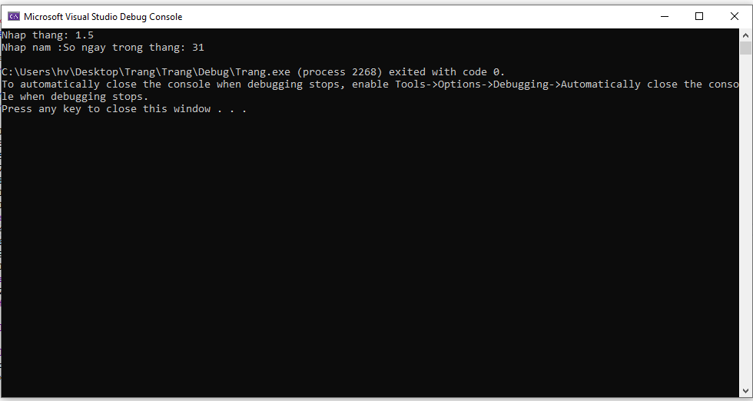
 |  |  | C001-TC010 | Value = -1 | 1. Open app 2. At cmd, input Nhap thang = -1 3. Click Enter 4. Nhap nam 2022 5. Enter | Error message: "So thang nhap khong hop le" | No display | Fail |  | 
 |  |  | C001-TC011 | Value = symbol | 1. Open app 2. At cmd, input Nhap thang = symbol 3. Click Enter 4. Nhap nam 2022 5. Enter | Error message: "So thang nhap khong hop le" | No display | Fail |  | 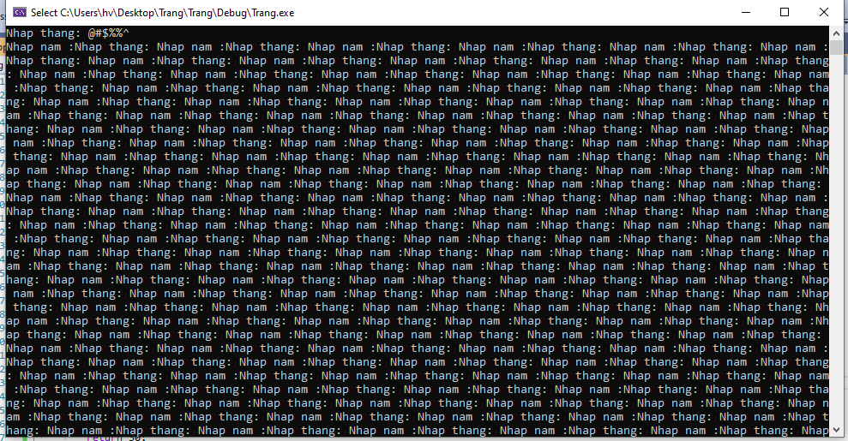
 |  |  | C001-TC012 | Value = empty/ null | 1. Open app 2. At cmd, input Nhap thang = empty/ null 3. Click Enter 4. Nhap nam 2022 5. Enter | Error message: "So thang nhap khong hop le" | No display | Fail |  | 

QuyenLe
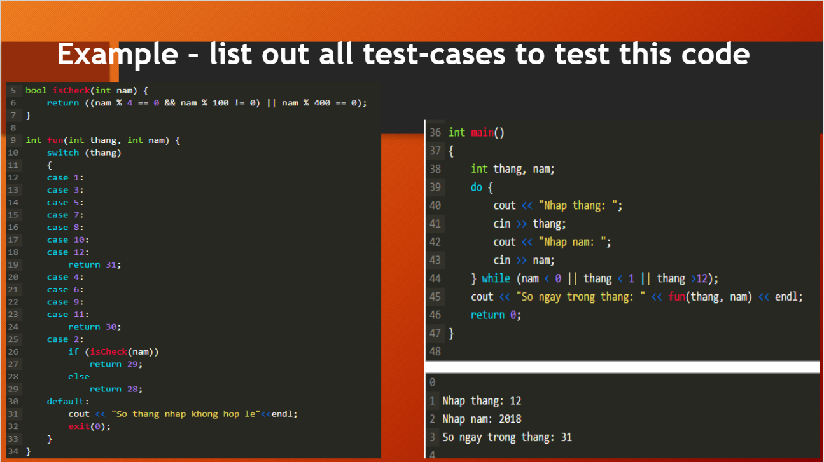

Module | Case Type | #CaseId | Case Name | Title/summary | Steps | Test Data | Expected result | Actual Result | Status (Fail/Pass)
 |  | WB_00 | Input Valid month is 1,3,5,7,8,10,12 & year random [ 0-2122] |  | 1. Open app 2. Input Month 3. Input Year 4. Result True | Month [1,3,5,7,8,10,12] Year 2022 | Result: 31 | Result: 31 | Pass
 |  | WB_01 | Input Valid month is 4,6,9,11 & year random [ 0-2122] |  | 1. Open app 2. Input Month 3. Input Year 4. Result True | Month [4,6,9,11] Year 2022 | Result: 30 | Result: 30 | Pass
 |  | WB_02 | Input Valid month is 2 & leap year |  | 1. Open app 2. Input Month 3. Input Year 4. Result True | Month 2 Year 2020 | Result: 29 | Result: 29 | Pass
 |  | WB_03 | Input Valid month is 2 & not leap year |  | 1. Open app 2. Input Month 3. Input Year 4. Result True | Month 2 Year 2022 | Result: 28 | Result: 28 | Pass
 |  | WB_04 | Input Month is not number: has char/ symbol/space |  | 1. Open app 2. Input Month | Month: 22!@# | App loops forever | Show error | Not Good
 |  | WB_05 | Input Year is not number: has char/ symbol/space |  | 1. Open app 2. Input Month 3. Input Year 4. Result | Month 2 Year 2022**** | App loops forever | Show error | Not Good
 |  | WB_06 | Input invalid Month with value 0,-1,13 |  |  | Month 0 | Result: 31 | Show error | Not Good
 |  | WB_07 | Input invalid with value -1 |  |  | Month -1 |  | Show error | Not Good
 |  | WB_08 | Input invalid with value 13 |  |  | Month 13 |  | Show error | Not Good
 |  | WB_09 | Input with MAX VALUE type of integer +1 | App loops forever when inputting thang as MAX VALUE type of integer + 1 = 2147483648 | 1. Open app 2. Input Month | Month: 2147483648 | App loops forever | Show error | Not Good
 |  | WB_10 | Input with Min VALUE type of integer -1 | App loops forever when inputting thang as MIN VALUE type of integer -1 = - 2147483649 | 1. Open app 2. Input Month | Month: - 2147483649 | App loops forever | Show error | Not Good
 |  | WB_11 |  |  |  |  |  | Show error | Not Good
 |  | WB_12 |  |  |  |  |  | Show error | Not Good
 |  | WB_13 | Input not number, has char, space | Input Month or Year: has key char/ symbol/ space | 1. Open app 2. Input Month | Month: 9abc |  | Show error | Not Good
 |  | WB_14 | Input is float or / |  | 1. Open app 2. Input Month | Month: 1.2 or 1/5 |  | Show error | Not Good
 |  | WB_15 | Input with char "e", convert char to number by wrong | App result wrong when convert char "e" to number | 1. Open app 2. Input Month 3. Input Year | Month: 2 Year: "e" Result: 31 | Result: 31 | Show error | Not Good

